Sheet1
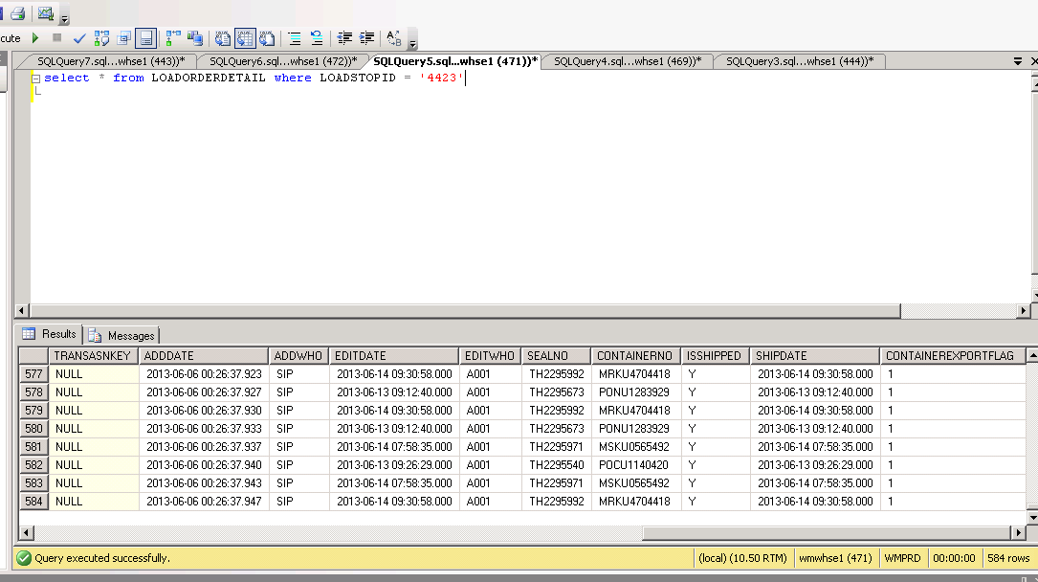
These 2 cases are packed in different containers but for the same S/I

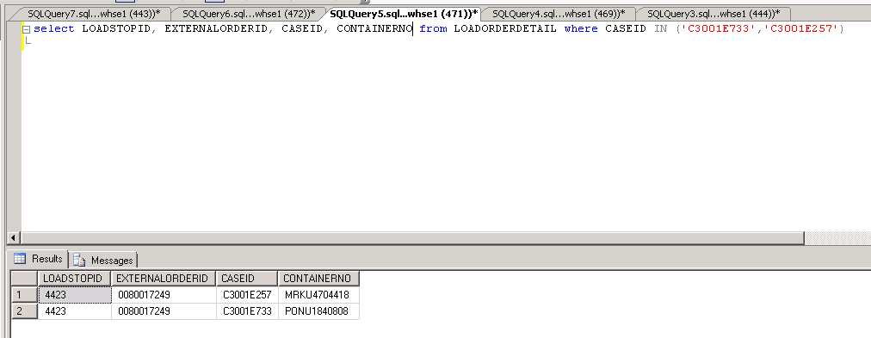

In the XML file generated for the Shipping Mark Case, only 1 of the cases appear even if both containers above are part of the S/I

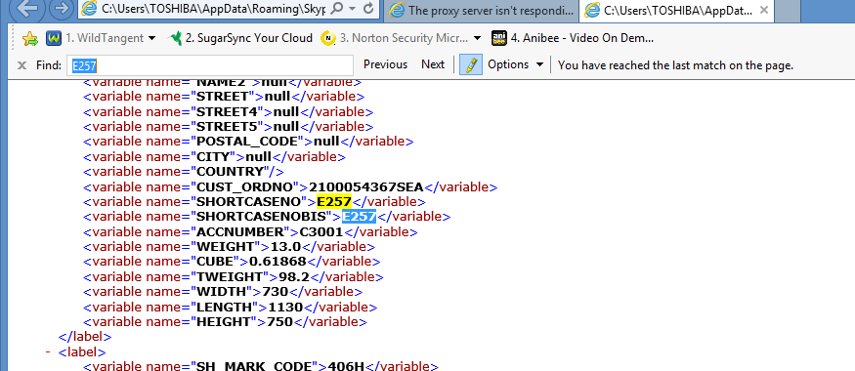

You mentioned that the reason why C3001E733 was not generated in the XML is because it is not found in the DROPID. When we used the case
that is found in the XML file, we also could not see it in the DROPID table.
Please explain why both cases are not found in the DROPID but C3001E257 is generated in the XML file.

Please note that this S/I has several cases and containers.
Please investigate further why case C3001E733 is missing in the XML

